HIKFIRE
ATHENS HIKFIRE Price List
Item No. | Product & Image | Description | Certificates | Warranty | Dealer Price | SI Price | MSRP
1 | HF-VH221(2.8mm) | 2MP Heat sensing camera Powered by Hikfire NTC heat detection technology | "European: CE-LVD European: CE-EMC" | 2Y | 2,410 | 3,348 | 5,356
2 | HF-VH243(2.8mm) | "4MP Heat sensing camera Powered by Hikfire NTC heat detection technology DC 12V Output, Alarm In/Alarm Out, built-in speaker and mic" | "European: CE-LVD European: CE-EMC" | 2Y | 3,663 | 5,088 | 8,140
3 | HF-VR343(4mm) | "4MP Dual-IR sensing camera Embeded AI algorithms for flame detection" | "European: CE-LVD European: CE-EMC" | 2Y | 8,676 | 12,050 | 19,280
4 | HF-VT343(3mm) | 4MP Thermal imaging + AI-Fire detection turret network camera | "European: CE-LVD European: CE-EMC" | 2Y | 23,134 | 32,130 | 51,408
5 | 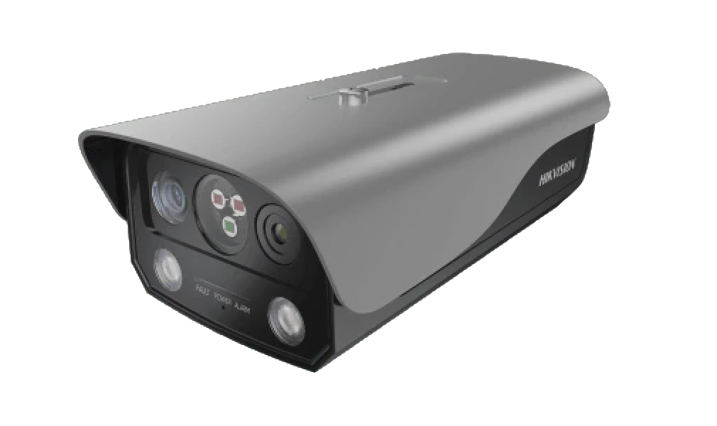 HF-VTR344(3mm) | 4MP Thermal imaging + AI-Fire +triple-IR detection bullet network camera | "European: CE-LVD European: CE-EMC" | 2Y | 46,267 | 64,260 | 102,816
6 | NP-FP105-B | NP-FP105-B Wall Mount Bracket |  |  | 482 | 670 | 1,072
7 | HF-S2 | 3 years AA alkaline battery-powered smoke alarm, I/O interface supported. | European: EN 14604:2005 | 2Y | 569 | 790 | 1,264
8 | HF-S2E | 3 years AA alkaline battery-powered smoke alarm. | European: EN 14604:2006 | 2Y | 472 | 655 | 1,048
9 | 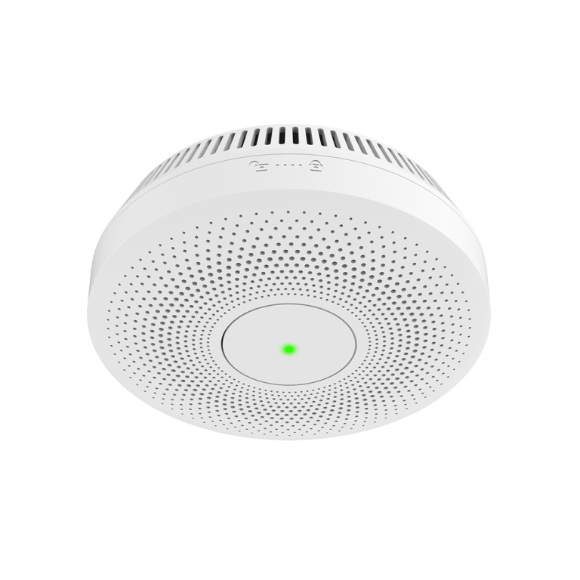 HF-S3E | "10 years CR123A lithium battery-powered standalone smoke alarm. Multispectral technology to filtering false alarm" | European: EN 14604:2007 | 2Y | 666 | 925 | 1,480
10 | HF-S3E-R | "10 years CR123A lithium battery-powered 433MHz, wireless interlinked smoke alarm. Multispectral technology to filtering false alarm" | European: EN 14604:2008 | 2Y | 763 | 1,060 | 1,696
11 | HF-S3-WF | Wi-Fi communication. Smoke Alarm View alarm from Hik-Connect. | European: EN 14604:2009 | 2Y | 1,436 | 1,995 | 3,192
12 | HF-SG3-WF/R | Wi-Fi communication. Smoke Alarm , 433MHz, View alarm from Hik-Connect | European: EN 14604:2010 | 2Y | 1,919 | 2,665 | 4,264
13 | 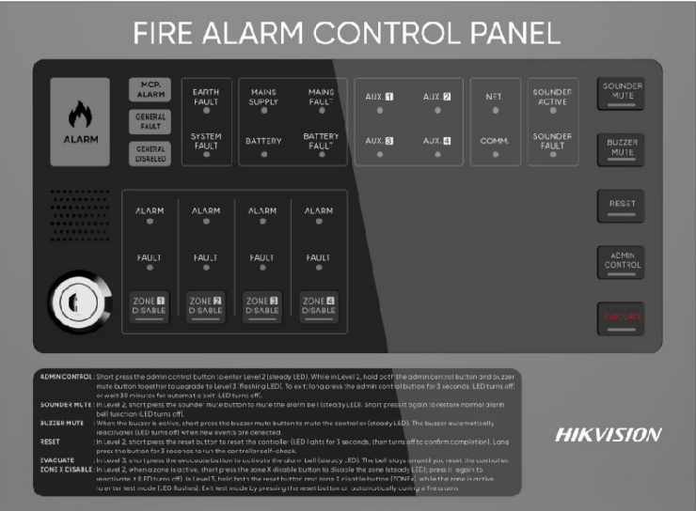 HF-C104 | "Each zone support 32 devices, totally 128 conventional detectors and mcp. Rich interface design (I/O, alarm, fault output, RS485, Network); Supports manual alarm, automatic warning, automatic alarm multi-level management mode, easily responding to various emergencies" | "EN 54-2 EN 54-4" | 2Y | 6,720 | 9,274 | 14,838
14 | 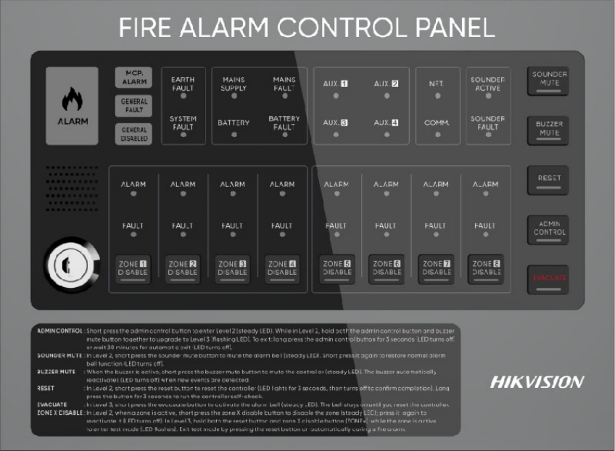 HF-C108 | "Each zone support 32 devices, totally 256 conventional detectors and mcp. Rich interface design (I/O, alarm, fault output, RS485, Network); Supports manual alarm, automatic warning, automatic alarm multi-level management mode, easily responding to various emergencies" | "EN 54-2 EN 54-4" | 2Y | 7,840 | 10,819 | 17,311
15 | HF-CS1 | Conventional Dual light technology to filter false alarm, including base | EN 54-7 | 2Y | 350 | 483 | 773
16 | HF-CH1 | Conventional Heat detector, including base | EN 54-5 | 2Y | 350 | 483 | 773
17 | HF-CMP1 | Conventional Manual Call Point | China: CCC-F | 2Y | 350 | 483 | 773
18 | HF-CSS1 | Conventional Sounder Strobe | China: CCC-F | 2Y | 630 | 869 | 1,391
19 | HF-CAB1 | Conventional Fire Alarm Bell |  | 2Y | 450 | 621 | 994

สินค้า ในวันที่ 23/1/26

1 | HF-C104 | (HF) FIRE ALARM CONTROL PANEL | 2 | #N/A
2 | HF-C108 | (HF) FIRE ALARM CONTROL PANEL | 5 | #N/A
3 | HF-CAB1 | (HF) ALARM BOX | 129 | #N/A
4 | HF-CH1 | (HF) HEAT DETECTOR | 249 | #N/A
5 | HF-CMP1 | (HF) MANUAL CALL POINT | 159 | #N/A
6 | HF-CS1 | (HF) Smoke Alarm | 799 | #N/A
7 | HF-CSS1 | (HF) ALARM BOX | 79 | #N/A
8 | HF-FP105-B | (HF) BRACKET | 1 | #N/A
9 | HF-S2 | (HF) ALARM BOX | 49 | #N/A
10 | HF-S2E | (HF) ALARM BOX | 49 | #N/A
11 | HF-S3E | (HF) Smoke Alarm | 159 | #N/A
12 | HF-S3E-R | (HF) Smoke Alarm | 399 | #N/A
13 | HF-S3-WF | (HF) Smoke Alarm | 159 | #N/A
14 | HF-SG3-WF/R | (HF) Smoke Alarm | 29 | #N/A
15 | HF-VH221(2.8mm) | (HF) Fire Detection Camera | 299 | #N/A
16 | HF-VH243(2.8mm) | (HF) Fire Detection Camera | 189 | #N/A
17 | HF-VR343(4mm) | (HF) Fire Detection Camera | 15 | #N/A
18 | HF-VT343(3mm) | (HF) Fire Detection Camera | 5 | #N/A
19 | HF-VTR344(3mm) | (HF) Fire Detection Camera | 2 | #N/A

